Hoja1
Cuerdas Guitarra v.26
Eléctrica | Datos | Compra / Cambio | Acústica | Datos | Compra / Cambio | Clásica | Datos | Compra / Cambio

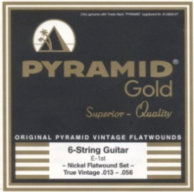 | Pyramid Gold True Vintage Flatwound 013-018-026w-036w-047w-056 | 17.03.10 / 17.04.14 | 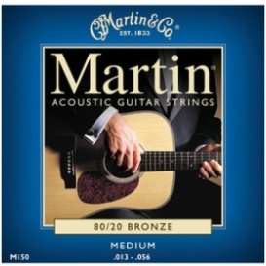 | Martin Guitars M150 - (Pack 3) 013-017-026w-035w-045w-056w | 21.01.10 / 18.03.14 | 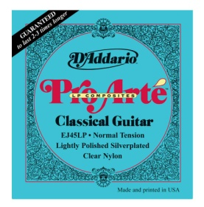 DADDARIO EJ45LP | Set Pro-Arte Composite Clear Nylon/Polished Norm Tension | 17.03.10
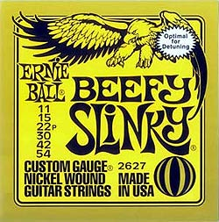 | Ernie Ball EB 2627 Beefy Slinky 011 - 015 - 022p - 030 - 042 – 054 | 17.03.10 / 00.08.13 | 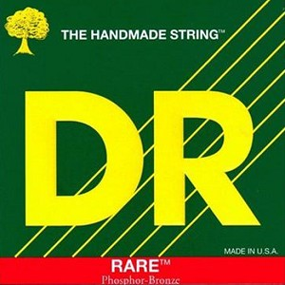 | (x2) DR Rare Phosphor Bronze 12-16-24-32-42-54 | 18.03.14 / 03.05.14 | 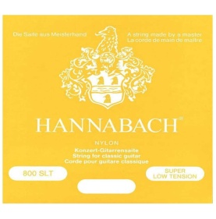 HANNABACH 800SLT GELB | Hannabach 800slt gelb Super Low Tension | 17.03.10
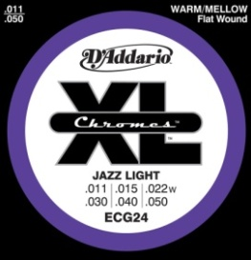 | D'Addario XL Chromes Flat Wound Jazz Light: .011 .015 .022f .030f .040f .050f | 18.03.14 | 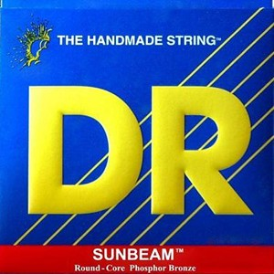 | DR Sunbeam Phosphor Bronze 12-16-24-32-42-54 | 18.03.14 | 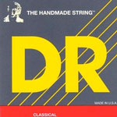 | DR Medium Tension Silver-Plated Nylon | 05.05.14
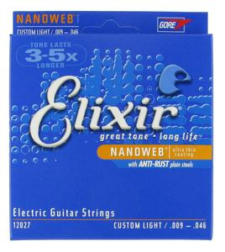 | Elixir Custom Light .009 .011 .016 .026 .036 .046 | 16.04.14 / 16.04.14 |  | DR Zebra Nickel-Plated Steel / Phosphor Bronze Acoustic-Electric Medium - 12 16 24 32 42 54 | 05.05.14 | 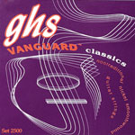 | GHS Vanguard Classics | 05.05.14
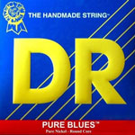 | DR Pure Blues Pure Nickel Lite & Heavy - 9 11 16 26 36 46 | 05.05.14 | 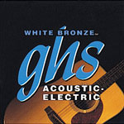 | GHS White Bronze Acoustic Light .012 .016 .024 .032 .042 .054 | 05.05.14 |  | Hannabach 815 SLT Super Low Tension | 13.10.26
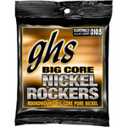 | GHS Big Core Nickel Rockers Light: BCL - .0105 .0135 .018p .028 .038 .048 | 05.05.14 | 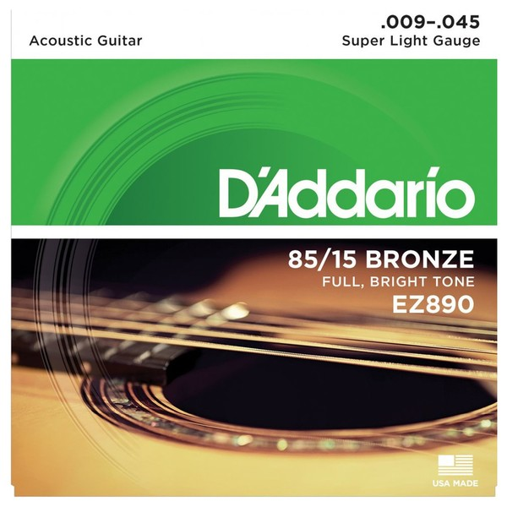 | Daddario EZ890 Super Light (9-45) | 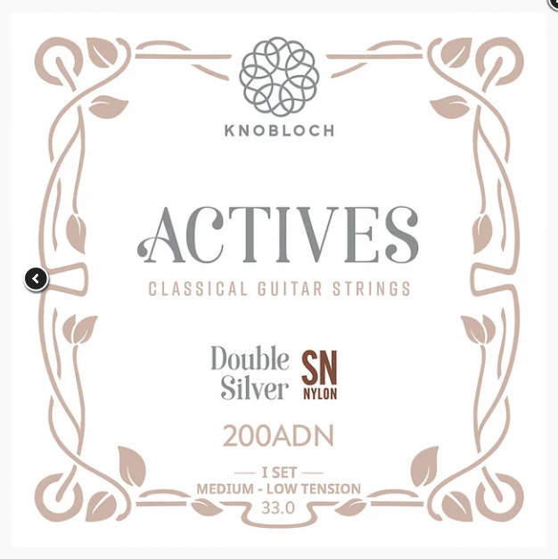 08.12.20 |  | Knobloch Actives 200ADN Nylon SN | 13.10.26
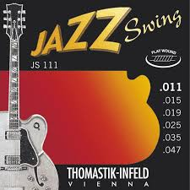 | Thomastik JS111 Light Flatwound Jazz Swing: .011 .015 .019 0.25 .035 .047 | 31.05.14 | 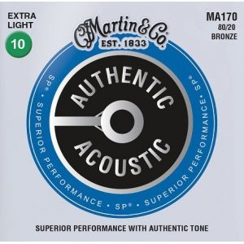 | (x2) Martin MA170 Authentic SP 80/20 Bronze Extra Light 10-47 | 08.12.20
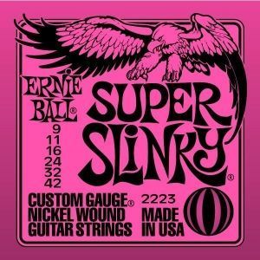 | Ernie Ball 2223 (009 - 042) | SIn fecha compra / 08.08.20
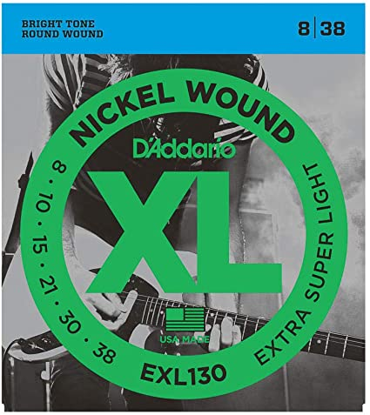 | Daddario EXL130 Extra Super Light (8-38) | 02.10.20
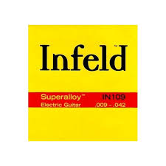 | Daddario EXL130 Extra Super Light (8-38) | 02.10.20
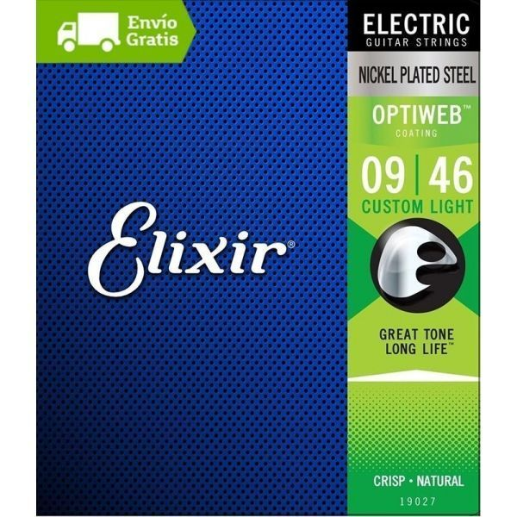 | Elixir 19027 Optiweb 09-46. Cuerdas guitarra eléctrica | 02.10.20
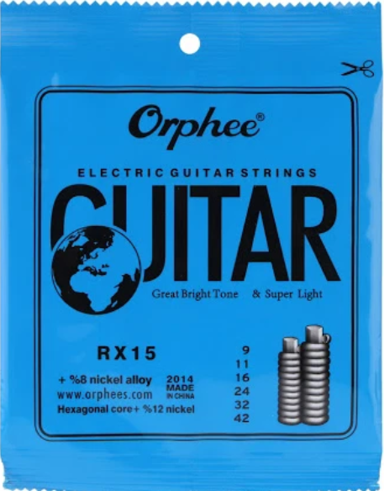 | Orphee RX15 9-42 Electric Guitar Strings (x5) | 25.08.25 / 25.08.26

